Sheet1
 | TESTER NAME : GALIH ADI PUTRO WIDODO | PROJECT / TEST SCENARIO : VERIFY FEATURE LOGIN | TEST CRITERIA : SERVER FOR STAGING AVAILABLE | DEVICE : CHROME, Windows 11
 | TEST DATE : 10 NOVEMBER 2023 | TEST PURPOSE : FUNCTIONAL TESTING (UI)& GUI TESTING | BUILD ID: -

Test Id | Test Case | Expected Result (dokumentasi) | Actual Result (ss hasil tes web) | Pass/Fail | Test Step | Positive/Negative Case
Test Scenario : Verify Feature Login and GUI Login
1 | Verify Success Login with valid email and password |  | 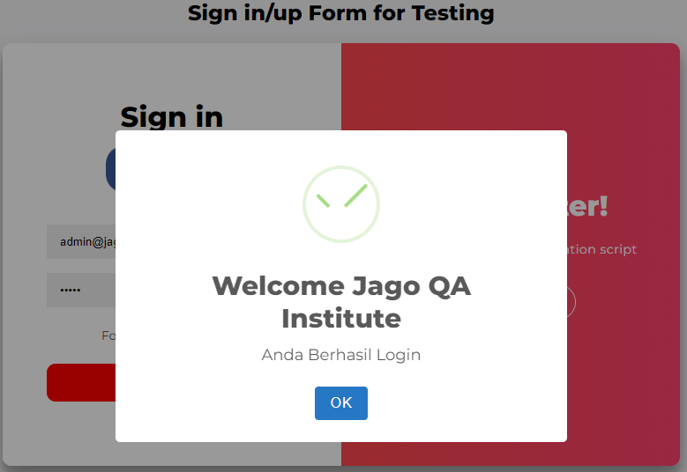 | Pass | 1. Mengisi email dengan data valid/terdaftar admin@jagoqa.com 2. Mengisi password dengan data valid sesuai email 3. Klik tombol Sign In | Positive
2 | Verify Failed Login with empty email and filled password |  | 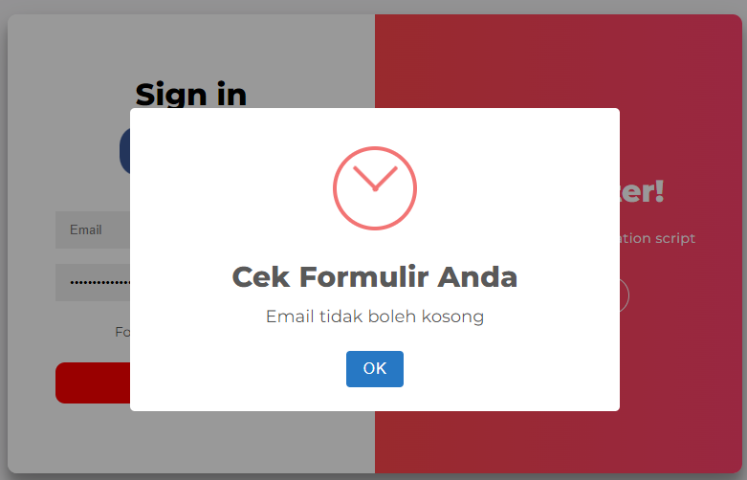 | Pass | 1. Mengosongkan email 2. Mengisi password 3. Klik tombol Sign In | Negative
3 | Check UI Sign In Spesification (Sign In Color, font) |  | 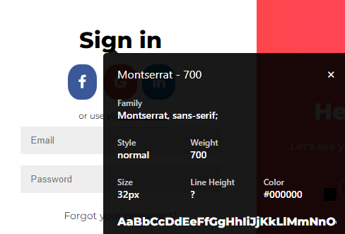 | Pass | 1. Inspek element title Sign In 2. Check masing-masing spesifikasi UI | Positive
4 | Verify Failed Login with invalid email |  | 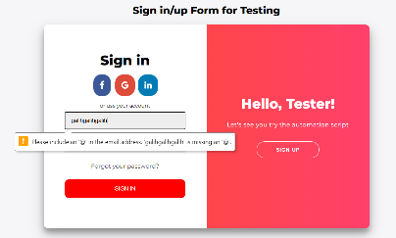 | Pass | 1. Masukkan email dengan invalid 2. Klik tombol sign in | Negative
5 | Verify Failed Login with blank email and blank password |  | 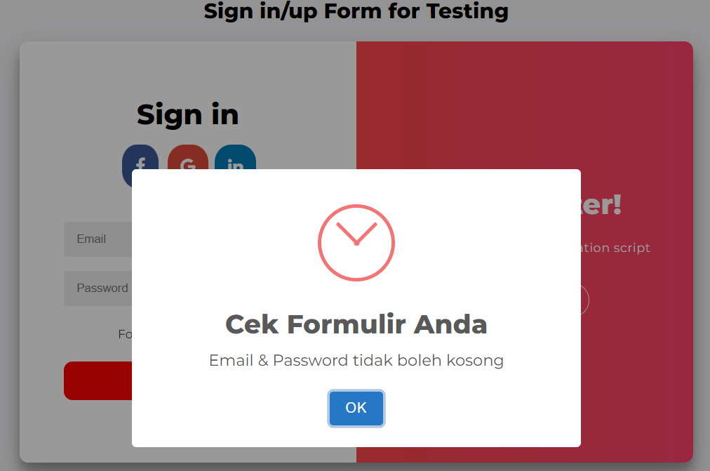 | Pass | 1. Mengosongkan email 2. Mengosongkan password 3. Klik tombol Sign In | Negative
6 | Verify Failed Login with email unregistered |  |  | Pass | 1. Mengisi email dengan data yang tidak terdaftar 2. Mengisi password 3. Sign In | Negative
7 | Verify Failed Login with more than 20 characters password |  |  | Failed | 1. Mengisi email terdaftar 2. Mengisi password lebih dari 20 characters 3. Klik tombol Sign In | Negative
8 | Verify Failed Login with blank email |  | 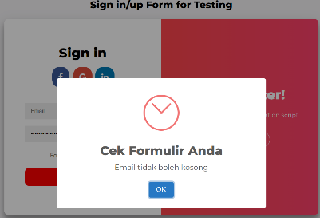 | Pass | 1. Mengosongkan email 2. Mengisi password 3. Klik tombol sign in | Negative
9 | Verify Failed Login with Valid Email and blank password |  | 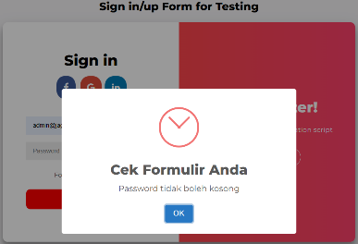 | Pass | 1. Mengisi email terdaftar 2. Mengosongkan password 3. Klik Tombol Sign In | Negative
10 | Verify Failed Login with more than 50 characters for email |  |  | Failed | 1. Mengisi email melebihi 50 characters 2. Mengisi password 3. Klik Tombol Sign In | Negative

